Separator
File name | Seperator.hsc
Unit Operation | V-100

Workflow
1. Open attached Seperator.hsc file.
2. Click on the Datasheet button on the ribbon.
3. Select a server to connect, then connect to a workspace.
4. Go to Mapper tab, click on the hyperlink of V-100 to open Object Mapping screen.
5. Select 'Separator' for the MapAs Column, and 'Create' for Workspace Object column.
6. Click on Close icon at the top right to close the Object Mapping screen.
7. Click Save Change and Transfer button.
8. Click on the Explorer tab, click on V-100 in by Equipment view. Make sure all data are correctly.

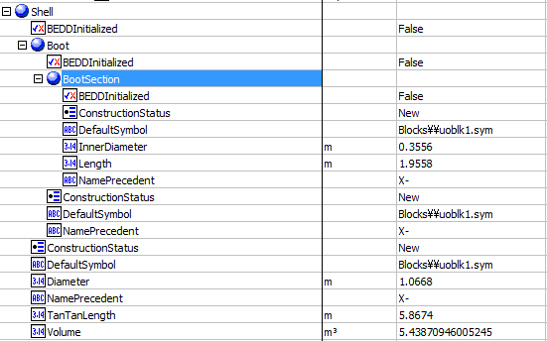
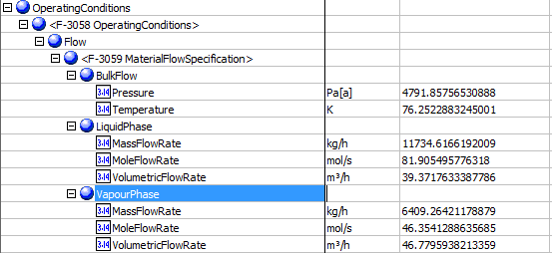
Expected Results |  | Notes: Existing Defect V10 [SM]-Hysys-Separator: Some attributes are transferred incorrectly |  |  |  |  | Shell
 |  |  |  |  |  | OperatingConditions
Seperator(CQ00746648)

Index Number | Attributes | AbeAds Class View | ABE Class/Separator From Hysys | Hysys Data | Unit

1 | Operating Pressure | PressureOut | OperatingConditions(1).Flow(1).BulkFlow.Pressure | 4788.4101858 | kPa
2 | Operating Temperature | TemperatureOut | OperatingConditions(1).Flow(1).BulkFlow.Temperature | 349.36809382 | K
7 | Liquid Quantity | LiquidMassFlow | OperatingConditions(1).Flow(1).LiquidPhase.MassFlowRate | 11734.616713 | kg/h
8 | Vapor Quantity | VaporMassFlow | OperatingConditions(1).Flow(1).VapourPhase.MassFlowRate | 6409.2642631 | kg/h
16 | Liquid Molar Flow | LiquidMolarFlow | OperatingConditions(1).Flow(1).LiquidPhase.MoleFlowRate | 294.85978479 | kgmole/h
17 | Liquid Volume Flow | LiquidVolumeFlow | OperatingConditions(1).Flow(1).LiquidPhase.VolumetricFlowRate | 23.643975655 | m3/h
18 | Vapo Molar Flow | VaporMolarFlow | OperatingConditions(1).Flow(1).VapourPhase.MoleFlowRate | 166.87486391 | kgmole/h
19 | Vapor Volume Flow | VaporVolumeFlow | OperatingConditions(1).Flow(1).VapourPhase.VolumetricFlowRate | 13.190372115 | m3/h

3 | Vessel Diameter | VesselDiameter | Shell.Diameter | 1.0668 | m
4 | Vessel T-T Length | VesselTanTanLength | Shell.TanTanLength | 5.867 | m
5 | Boot Diameter | BootDiameter | Shell.Boot.BootSection.InnerDiameter | 0.3556 | m
6 | Boot Height | BootHeight | Shell.Boot.BootSection.Length | 1.9558 | m
13 | Total Volume | TotalVolume | Shell.Volume | 5.4387094601 | m3
 |  |  |  |  |  | Other Values
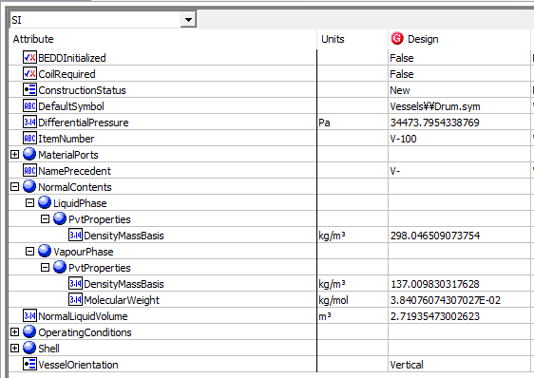
9 | Liquid density at working temperature | LiquidDensityMassBasis | NormalContents.LiquidPhase.PvtProperties.DensityMassBasis | 298.04650907 | kg/m3
10 | Vapor Molecular Weight | VaporMolecularWeight | NormalContents.VapourPhase.PvtProperties.MolecularWeight | 38.407607431 | g/mol
11 | Vapor Density at Working Temperature | VaporDensity | NormalContents.VapourPhase.PvtProperties.DensityMassBasis | 137.00983032 | kg/m3
12 | Orientation | Orientation | VesselOrientation | Vertical
14 | Normal Liquid Volumne | NormalLiquidVolume | NormalLiquidVolume | 2.71935473 | m3
20 | VesselisHeating | VesselIsHeating, I have it but its 0 | CoilRequired | Blank, 0
15 | Pressure Drop | PressureDrop | DifferentialPressure | 31.023 | kPa

